FUNCTIONAL & DECORATIVE LTG
ELECTRICAL WORKS FOR COWRKS, MORGAN STANLEY,6A-1ST & 2ND FLOOR,BANGALORE
CLIENT | : MORGAN STANLEY |  |  |  |  |  |  |  | DATE / REV NO. | :10.03.2026 / R1
ARCHITECTS | : COWRKS |  |  |  |  |  |  |  | SUBJECT | : FUNCTIONAL & DECORATIVE LIGHTING
PMC | : |  |  |  |  |  |  |  | CONSULTANTS | : ESOLLUTIONS
BILL OF QUANTITIES - FUNCTIONAL LIGHTING

SL. NO. | DESCRIPTION | IMAGE (INDICATIVE IMAGE ARE ONLY FOR REFERENCE) | UNIT | QUANTITY |  |  | RATE IN INR |  | AMOUNT IN INR |  | TOTAL
 |  |  |  | 1F | 2F | TOTAL | SUPPLY | INSTALLATION | SUPPLY | INSTALLATION

11.0 | LIGHT FIXTURE

 | Note: Catalogue numbers indicated are only to describe type of light fixture required. Lamp Colour shall be - 84 or as approved by Architect / Consultant.
 | a. Whether explicitly mentioned or not vendor shall consider light fixtures with necessary powerfactor improvement condensors. b. Unless specified all light fixtures shall be considered with electromagnetic ballasts. The loss of ballasts shall not exceed 5.5 Watts c. Vendor shall consider necessary fixing hardware and components to install light fixtures. The hardware viz., anchor fasteners, suspending GI chains, down rods will not be measured seperately. Vendor shall assume a minimum suspension length of 1.2 to 1.5 Mtrs
 | Light Fixtures. Quoted rate shall include mounting bracket and lamps
 | Supply, transportation, delivery, unloading, Installation, Testing and Commissioning the below indicated light fixtures to site.
 | Light fixtures complete with accessories like control gear, low loss (<5W ) HF Electronic ballast , HPF condensor (PF shall be >0.85 lag.), energy efficient high lumen output fluorescent tubes / CFL lamps etc.,
 | Note : The make mentioned here is only indicative & any of the make mentioned in recommended list of makes is preferred.
 | The electronic / Digital ballast shall be with THD < 10%. & low loss copper ballast.
 | Gripple/steel ropes need to be considered for suspended light fixtures
 | All Functional light fixtures shall have 5 Years of warranty on Diffuser, Lamp and Driver
 | Rate shall include Branded LEDs (Philphs, Samsung, Nichia, Osram, Cree), BAG, Philphs, Osram Driver. Lamp colour shall be kelvin. Quantity to be supplied based on the final GFC drawing not as per the BOQ.
 | All the fixtures shall be ordered based on the final GFC Drawing.
 | Linear light should be wired intenally for seemless connectivity
 | The luminaries shall have IP-20 degree of protection.
 | LED shall be of high efficiency, long life in warm white or cool day light, The estimated lifetime of LED shall be minimum 50,000 burning hours.
 | R9>=50, CRI of 90 & UGR < 19 shall be considered.

 | Technical points: | Confirmation from bidders:
 | a. Type of Body shall be Aluminium
 | b. Profile / Body should not be less than 2mm thick
 | c. UGR19 or less than 19
 | d. Class of LED
 | e. LED Make & Country of origin
 | f. Lumens per watt
 | g. Driver Make & from which Country
 | h. Burning hours
 | i. Percentage of LED depreciation after specificied burning hours
 | j. 5years complete fixture replacement warranty
 | k. Performance Gaurantee

11.1 | Pendatn light fixture | 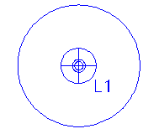 | Nos |  | 10 | 10 |  | 250 | - | 2,500 | 2,500

11.2 | 600 MM dia pendant light |  | Nos |  |  | 0 |  |  | - | - | -

11.3 | Decorative pendant light | 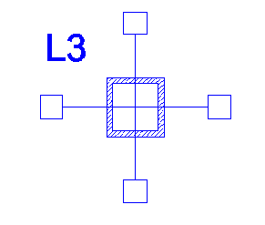 | Nos | 2 |  | 2 |  | 300 | - | 600 | 600

11.4 | Globe Industrial pendant light |  | Nos | 3 | 4 | 7 |  | 250 | - | 1,750 | 1,750

11.5 | Suspened Bulbs type-1 |  | Nos | 6 |  | 6 |  | 300 | - | 1,800 | 1,800

11.6 | Suspended light | 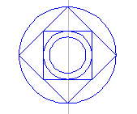 | Nos | 6 |  | 6 |  | 350 | - | 2,100 | 2,100

11.7 | Framed chandiler type-1 | 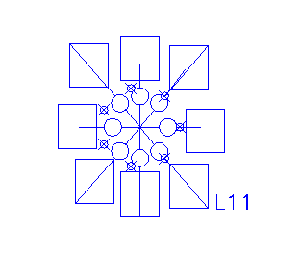 | Nos | 2 |  | 2 |  | 350 | - | 700 | 700

11.8 | Framed chandiler type-2 | 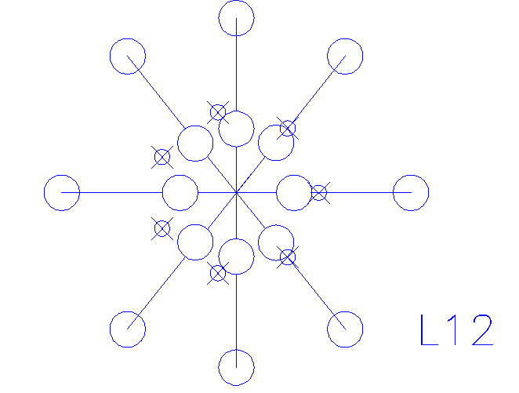 | Nos | 2 | 2 | 4 |  | 350 | - | 1,400 | 1,400

11.9 | Black fame pendant-Single |  | Nos | 9 | 15 | 24 |  | 350 | - | 8,400 | 8,400

11.10 | Decorative pendant-Industrial fixture | 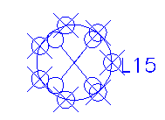 | Nos |  | 4 | 4 |  | 350 | - | 1,400 | 1,400

11.11 | Recessed downlight luminaire Blaire with HPE (High-Performance Efficiency) LED (Light Emitting Diode) system power: 15 W, Luminous flux of luminaire 950 lm, Colour temperature of 4000 K, Neutral white, SDCM 3, CRI > 90, 230 V constant current driver, 70% of luminous flux after 60,000 operating hours; Energy efficient LEDs, Direct light emission, Luminaire housing in aluminium, Polyester powder white coloured coat applied over a 5- stage pre-treatment, Prismatic diffuser for homogenous light distribution, ZHLS (ZERO HALOGEN LOW SMOKE) wiring, Electronic control gear, Protection class II, IP 40 Ø = 175 mm, DA(Ø) = 160 mm, H = 59 mm |  | Nos | 52 | 52 | 104 |  | 250 | - | 26,000 | 26,000

11.12 | FIXTURE TYPE: COVE LIGHT WATTAGE: 14.4W/MTR MATERIAL: 1.8MM THICKNESS ALUMINIUM LIGHT COLOR: 3000K MOUNTING: SURFACE MOUNTED DIMENSION: W17.4 X H7 MM BODY COLOR: GREY DIFFUSER: ACRYLIC LIGHT SOURCE:LED STRIP DRIVER: ON/OFF | 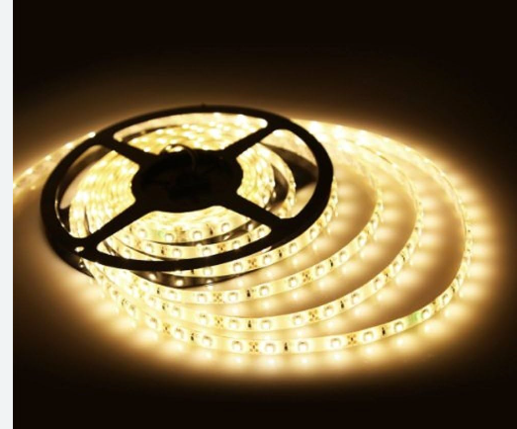 | Mtr |  |  | 0 |  | 60 | - | - | -

11.13 | LED Driver for Sl. No. 11.7 |  | Nos |  |  | 0 |  |  | - | - | -

11.14 | 10W LED Track Light Fixture , LIGHT COLOR: 3000K | 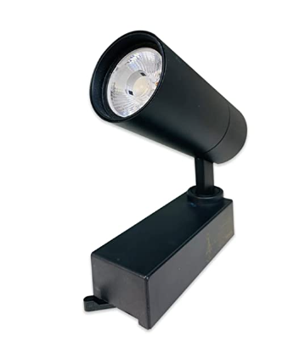 | Mtr | 30 | 15 | 45 |  | 300 | - | 13,500 | 13,500

11.15 | Track / Trackway / Rail Support channel for Track Light Installation | 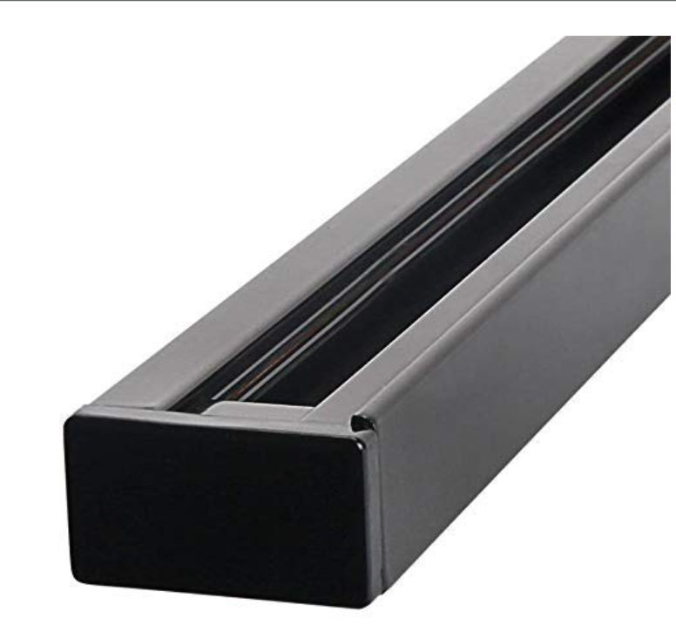 | Mtr | 6 | 3 | 9 |  | 250 | - | 2,250 | 2,250

11.16 | Digital PIR presence / Motion detection sensor of range 7.0 m Dia coverage recessed mounting at height of 2.4-3 meter to control 6A lighting load with 3 meter four core power cable. To be commissioned by hand held programmer with programmable features of delay time 5 min - 35 min, photocell and power up (status of luminaires when power is applied). It shall have provision to manually override luminary ON/OFF status using hand held remote control. | 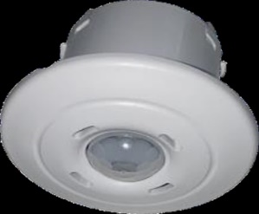 | Nos. |  |  | 0 |  |  | - | - | -

11.17 | Digital PIR presence / Motion detection sensor of range 4 m (W) X5m (L) coverage recessed mounting at height of 2.4-3 meter to control 6A lighting load with 3 meter four core power cable. To be commissioned by hand held programmer with programmable features of delay time 5 min - 35 min, photocell and power up (status of luminaires when power is applied). It shall have provision to manually override luminary ON/OFF status using hand held remote control. |  | Nos. |  |  | 0
11.18 | Removal of Existing light fixutres |  | Lumpsum

 | TOTAL PART - 11 |  |  |  |  |  |  |  | - | 62,400 | 62,400

